Sheet2
Sum of Quantity
Row Labels | Sum of Quantity
Headphones | 11183
Laptop | 21584
Smartphone | 32660
Smartwatch | 21631
Tablet | 22653
Grand Total | 109711

Sheet3
Shipping Type
Row Labels | Count of Shipping Type
Standard | 6725
Same Day | 3280
Overnight | 3357
Express | 3366
Expedited | 3272
Grand Total | 20000

Sheet4
Row Labels | Sum of Total Revnue
Headphones | 2847454.72
Laptop | 8536583.03
Smartphone | 14630325.53
Smartwatch | 9557416.02
Tablet | 7893431.51
Grand Total | $43,465,210.81

Sheet5
Order Status | Completed

Rating
Row Labels | Average of Rating
Headphones | 3.0
Laptop | 3.0
Smartphone | 3.3
Smartwatch | 3.0
Tablet | 3.0
Grand Total | 3.1

Sheet6
Payment Method
Row Labels | Count of Payment Method
Bank Transfer | 2259
Cash | 1727
Credit Card | 3899
Debit Card | 1684
Paypal | 3863
Grand Total | 13432

Sheet7
Count of order
Row Labels | Count of Order Status
Monday | 1947
Tuesday | 1902
Wednesday | 1939
Thursday | 1824
Friday | 2034
Saturday | 1903
Sunday | 1883
Grand Total | 13432

Sheet8
Row Labels | Count of Month
2023 | 1799
Sep | 124
Oct | 613
Nov | 537
Dec | 525
2024 | 11633
Jan | 1399
Feb | 1227
Mar | 1323
Apr | 1284
May | 1371
Jun | 1349
Jul | 1356
Aug | 1323
Sep | 1001
Grand Total | 13432

Sheet9
Product Type | (All)

Month wise product Sell
Row Labels | Count of Product Type
January | 1399
February | 1227
March | 1323
April | 1284
May | 1371
June | 1349
July | 1356
August | 1323
September | 1125
October | 613
November | 537
December | 525
Grand Total | 13432

Sheet10
Month Wise Customer Data
Row Labels | Count of Customer ID
January | 1399
February | 1227
March | 1323
April | 1284
May | 1371
June | 1349
July | 1356
August | 1323
September | 1125
October | 613
November | 537
December | 525
Grand Total | 13432

Dashboard
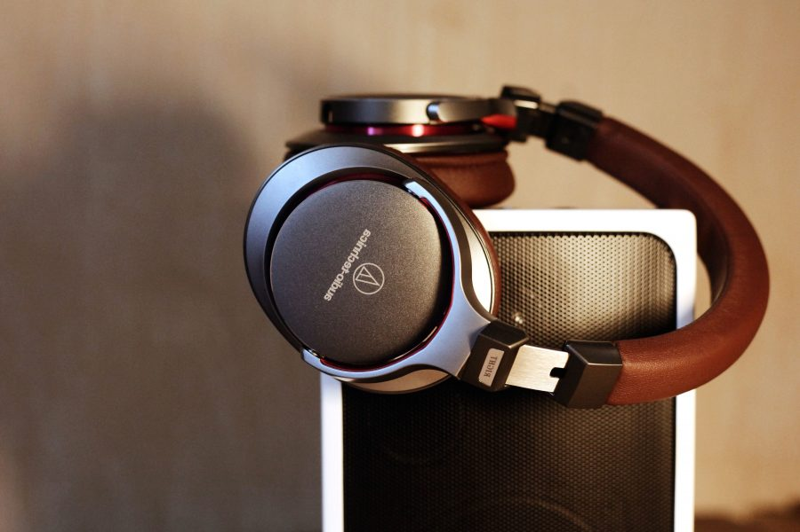
Electronic Data for 2023-2024


 | Total
Sep | 288973
Oct | 1581479
Nov | 1414570
Dec | 1332773
Jan | 4609533
Feb | 3977504
Mar | 4310841
Apr | 4382618
May | 4552289
Jun | 4550643
Jul | 4549758
Aug | 4466294
Sep | 3447936
Shipping Type
 | Total
Standard | 6725
Same Day | 3280
Overnight | 3357
Express | 3366
Expedited | 3272
Sum of Quantity
 | Total
Headphones | 11183
Laptop | 21584
Smartphone | 32660
Smartwatch | 21631
Tablet | 22653

Rating
 | Total
Headphones | 3.0
Laptop | 3.0
Smartphone | 3.3
Smartwatch | 3.0
Tablet | 3.0
 | Total
Headphones | 2847454.72
Laptop | 8536583.03
Smartphone | 14630325.53
Smartwatch | 9557416.02
Tablet | 7893431.51
Count of order
 | Total
Monday | 1947
Tuesday | 1902
Wednesday | 1939
Thursday | 1824
Friday | 2034
Saturday | 1903
Sunday | 1883

Gender wise sales
 | Total
Female | 6651
Male | 6780
Month wise product Sell
 | Total
January | 1399
February | 1227
March | 1323
April | 1284
May | 1371
June | 1349
July | 1356
August | 1323
September | 1125
October | 613
November | 537
December | 525
Loyal Member
 | Total
No | 15657
Yes | 4343

Data Story:-

1 | From Above data the conclusion I found that the store best selling product is smartphones and the least selling product is Headphones and tablets. For smartphones we can say that not more work on that for least selling product we can do more offers on that product and most of the product selling during the period of Festivals .

2 | For Less Average Rating the sloution is that completed order customer we can call thr person and ask for suggesttion that person give below 4 rating .Also find out the why customer cancel the order what problem? And work on that.

3 | For the Shipping type to increase the paid version give customer 1month membership of that at 50% or Free for some area.

Sheet1
 | Total
Sep | 288973
Oct | 1581479
Nov | 1414570
Dec | 1332773
Jan | 4609533
Feb | 3977504
Mar | 4310841
Apr | 4382618
May | 4552289
Jun | 4550643
Jul | 4549758
Aug | 4466294
Sep | 3447936
Row Labels | Sum of Total Revnue
2023
Sep | 288973
Oct | 1581479
Nov | 1414570
Dec | 1332773
2024
Jan | 4609533
Feb | 3977504
Mar | 4310841
Apr | 4382618
May | 4552289
Jun | 4550643
Jul | 4549758
Aug | 4466294
Sep | 3447936
Grand Total | 43465211

Sheet11
Gender wise sales
Row Labels | Count of Customer ID
Female | 6651
Male | 6780
Grand Total | 13431

Sheet12
Loyal Member
Row Labels | Count of Loyalty Member
No | 15657
Yes | 4343
Grand Total | 20000

